Prep
Percentage | $/MWh | https://www.iso-ne.com/static-assets/documents/100012/iso-ne-2023-emm-report-final.pdf
30 | 15448
32 | 13793
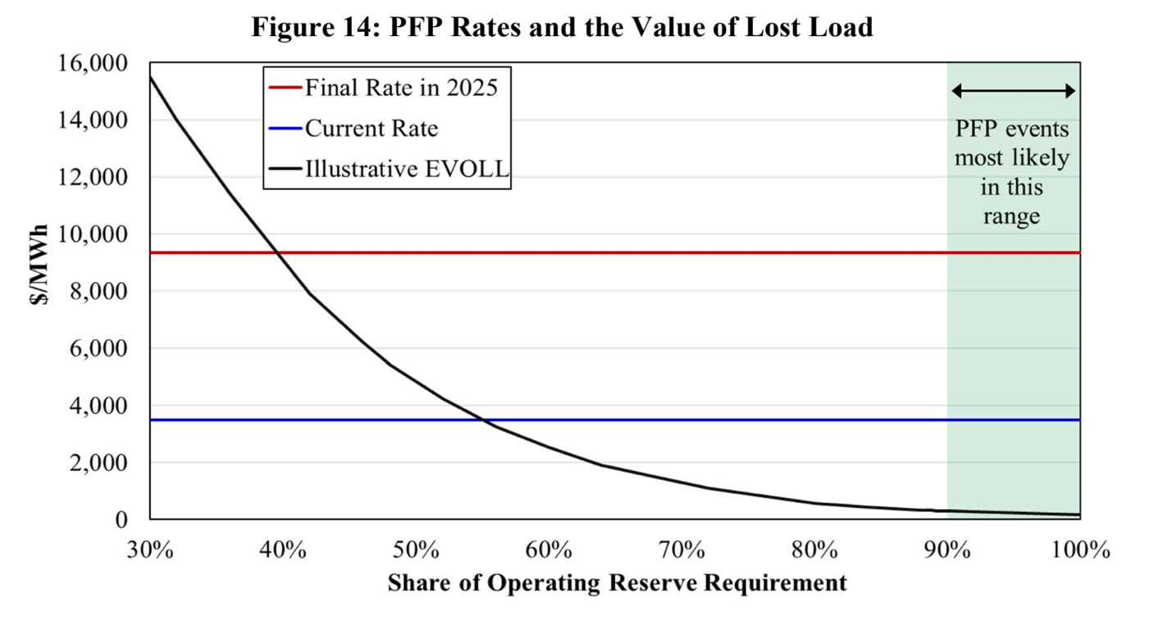
42 | 7945
48 | 5444
56 | 3310
64 | 1949
72 | 1103
80 | 589
89 | 405
100 | 221

plot
Percentage | $/MWh
1 | 60734
0.99 | 58388
0.98 | 56113
0.97 | 53906 | Percentage | $/MWh
0.96 | 51768 | 1 | 9337
0.95 | 49696 | 0 | 9337
0.94 | 47688
0.93 | 45744
0.92 | 43862
0.91 | 42041
0.9 | 40280
0.89 | 38576
0.88 | 36929
0.87 | 35337
0.86 | 33800
0.85 | 32315
0.84 | 30882
0.83 | 29499
0.82 | 28166
0.81 | 26880
0.8 | 25641
0.79 | 24447
0.78 | 23298
0.77 | 22191
0.76 | 21127
0.75 | 20104
0.74 | 19121
0.73 | 18176
0.72 | 17269
0.71 | 16399
0.7 | 15564
0.69 | 14763
0.68 | 13996
0.67 | 13262
0.66 | 12559
0.65 | 11887
0.64 | 11244
0.63 | 10630
0.62 | 10044
0.61 | 9485
0.6 | 8951
0.59 | 8443
0.58 | 7959
0.57 | 7498
0.56 | 7060
0.55 | 6644
0.54 | 6249
0.53 | 5874
0.52 | 5518
0.51 | 5181
0.5 | 4862
0.49 | 4560
0.48 | 4275
0.47 | 4005
0.46 | 3751
0.45 | 3511
0.44 | 3286
0.43 | 3073
0.42 | 2873
0.41 | 2686
0.4 | 2509
0.39 | 2344
0.38 | 2189
0.37 | 2044
0.36 | 1909
0.35 | 1782
0.34 | 1664
0.33 | 1553
0.32 | 1450
0.31 | 1354
0.3 | 1265
0.29 | 1182
0.28 | 1104
0.27 | 1033
0.26 | 966
0.25 | 904
0.24 | 846
0.23 | 793
0.22 | 743
0.21 | 697
0.2 | 654
0.19 | 615
0.18 | 578
0.17 | 543
0.16 | 511
0.15 | 482
0.14 | 454
0.13 | 428
0.12 | 404
0.11 | 381
0.1 | 361
0.09 | 341
0.08 | 323
0.07 | 306
0.06 | 290
0.05 | 276
0.04 | 263
0.03 | 251
0.02 | 240
0.01 | 230
0 | 222

